Table 1
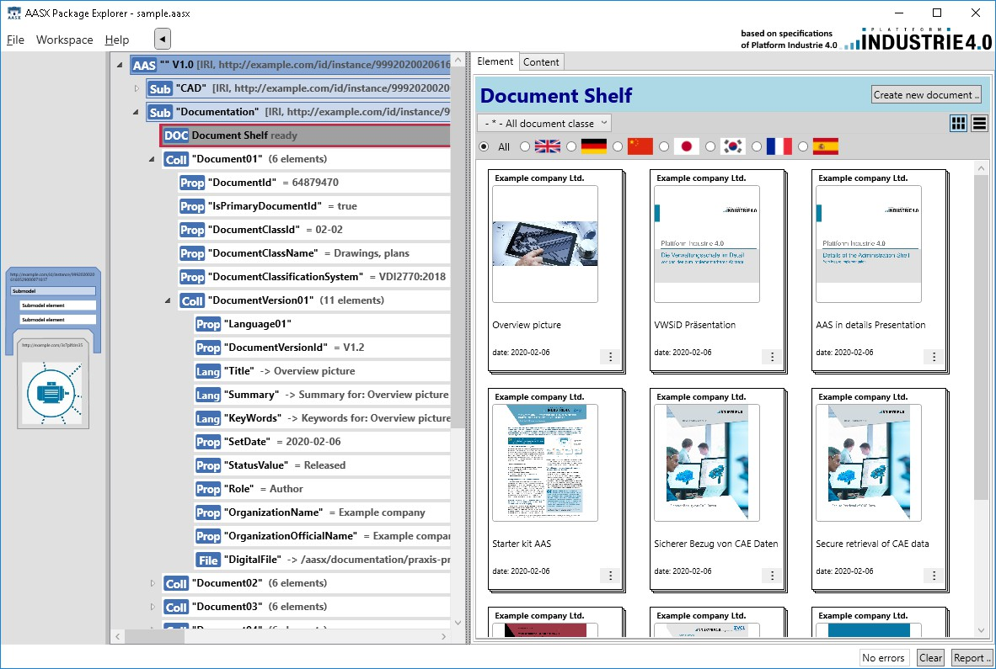
IDTA 02004-1-2 Handover Documentation March 2023
S P E C I F I C A T I O N
Submodel Template of the Asset Administration Shell

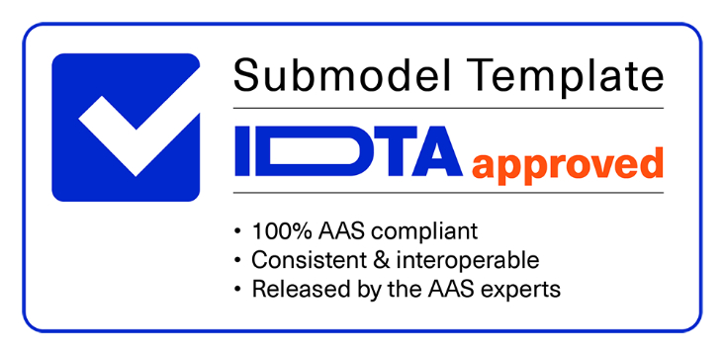

Imprint
Publisher Industrial Digital Twin Association Lyoner Strasse 18 60528 Frankfurt am Main Germany https://www.industrialdigitaltwin.org/ Version history
Date | Version | Comment
 | 1.0 | Used for development only. No official version published.
 | 1.1 | Used for development only. No official version published.
2023-03-01 | 1.2 | Release of the official Submodel template published by IDTA.
Contents
1 General 6 1.1 About this document 6 1.2 Scope of the Submodel 6 1.3 Relevant standards for the Submodel template 6 2 Submodel for Handover Documentation based on VDI 2770 Blatt 1 9 2.1 Approach 9 2.2 Association of documents to Assets and Entities 10 2.3 Enumeration: document classification according to VDI 2770 Blatt 1:2020 11 2.4 Attributes of the Submodel instance 12 2.5 SubmodelElements of Document 13 2.6 SubmodelElements of DocumentID 16 2.7 SubmodelElements of DocumentClassification 17 2.8 SubmodelElements of DocumentVersion 18 Annex A. Explanations of table formats used 23 1. General

Figures
Figure 1: Overview of concepts Documents and DocumentVersion of the VDI 2770 according to [7], by courtesy of VDI 7 Figure 2: Submodel Handover Documentation based on basic concepts of the VDI 2770 Blatt 1 7 Figure 3: AASX Package Explorer with Submodel “Documentation” of an example asset, featuring multiple documents, each with at least one ”DocumentVersion” 10 Figure 4: Association of documents to Assets and Entities 11 Figure 5: UML information model of documentation meta data according to VDI 2770 [7] 25 Figure 6: Mapping between AAS and VDI 2770 Document entity, 1: document ID with simplified document domain, 2: using Entity and ReferenceElement for asset / object associations 26 Figure 7: Mapping between AAS and VDI 2770 Blatt 1 DocumentId 26 Figure 8: Mapping between AAS und VDI 2270 DocumentVersion, 1: three relation properties instead of generic relation model element, 2: describing information contained in document version, 3: different file handling approach, 4: simplified document status (only status and date), 5: simplified roles (only author) 27 Figure 9: Mapping between AAS and VDI 2770 document descriptions 27 Figure 10: Mapping between AAS and VDI 2770 document lifecycle 28 Figure 11: Mapping between AAS and VDI 2770 object identifiers 28
Tables
Table 1: DocumentClassification according to VDI 2770 Blatt 1: 2020 12 Table 2: Attributes of the Submodel instance 13 Table 3: SubmodelElements of Document 13 Table 4: SubmodelElements of DocumentID 16 Table 5: SubmodelElements of DocumentClassification 17 Table 6: SubmodelElements of DocumentVersion 18 Table 7: Document classification according to IEC 61355 29
1 General
1.1 About this document This document is part of a specification series. Each part specifies the contents of a Submodel template for the Asset Administration Shell (AAS). The AAS is described in [1], [2], [3], and [6]. First exemplary Submodel contents were described in [4], while the actual format of this document was derived from the “Administration Shell in Practice” [5]. The format aims at being very concise. It gives only minimal necessary information for applying a Submodel template, while leaving more in-depth descriptions and specifications of concepts, structures, and mapping to the respective documents [1] to [6]. The target group of the specification are developers and editors of technical documentation and manufacturer information, which describe assets in smart manufacturing by means of the Asset Administration Shell (AAS) and therefore need to create a Submodel instance with a hierarchy of SubmodelElements. This document focuses on the question which SubmodelElements shall be used for this purpuse with which semantic identification.
1.2 Scope of the Submodel The Submodel Handover Specification defines a standardized exchange format for information or documentation for a specific asset. The scope of this Submodel is to increase the interoperability between the parties that are exchanging asset documentation. These parties can be manufacturers of components or complete machines, or operators using these components or machines. In case a machine manufacturer sells a machine to a customer (operator), the manufacturer hands over the machine and its documentation in form of an AAS with the Submodel “Handover Documentation”. The documents provided can contain information required for e.g. correct design, installation, commissioning, spare parts stocking, operation, cleaning, inspection, maintenance, and repair. In addition, there are legal regulations that stipulate the existence of certain manufacturer documents, such as Communauté Européenne (CE) declarations of conformity, Atmosphères Explosives (ATEX) certificates, or material certificates. Besides the structure of a Submodel and the exchange format of an AAS, this Submodel standardizes the meta data that comes with the asset documentation and the classes that classify the type of the document. With these standardized meta data and classes, the asset documentation can be automatically integrated in the customer’s document management system, backend system, or any other system. The meta data as well as the classification classes of this Submodel are based on the VDI Guideline VDI 2770 Blatt 1 “Operation of process engineering plants – Minimum requirements for digital manufacturer information for the process industry” [7]. While the classification of documents according to VDI 2770 is mandatory, additional classification classes can be added.
1.3 Relevant standards for the Submodel template VDI 2770 Blatt 1 VDI 2770 Blatt 1 [7] standardizes the documentation regarding their meta data, classification, and format. The idea is that manufacturers hand over their documentation in a standardized manner, making it easier for operators to load the documentation for a component or a complete machine (both referred to in the following as asset) into their IT infrastructure and to find relevant documents during the operation phase of an asset. The central concepts of the specification are the entities “Document” and “DocumentVersion”, which are described in the Unified Modeling Language (UML) below. The entity "Document" describes the understanding of a document in total as a specific concept of product- related information. The entity “DocumentVersion” represents a specific instance of the “Document” within its lifecycle, e.g. a released version of the Document.
The following diagram gives an overview on the concepts of VDI 2770.
Figure 1: Overview of concepts Documents and DocumentVersion of the VDI 2770 according to [7], by courtesy of VDI Taking advantage of the already formalized structures of the Asset Administration Shell and its SubmodelElements, the following concepts based on VDI 2770 Blatt 1 are relevant for the Submodel template specification.
class Handov er Documentation «Submodel» «SubmodelElementCollection» Handov erDocumentation DocumentId{00} DocumentId + Entity{00}: Entity [0..*] 1..* + DocumentDomainId: Property + ValueId: Property + IsPrimary: Property [0..1] «SubmodelElementCollection» DocumentClassification Document{00} DocumentClassification{00} + ClassId: Property + ClassName: MultiLanguageProperty 1..* + ClassificationSystem: Property 0..* «SubmodelElementCollection» «SubmodelElementCollection» DocumentVersion Document + Language{00}: Property [1..*] + DocumentedEntity{00}: ReferenceElement [0..*] DocumentVersion{00} + DocumentVersionId: Property + Title: MultiLanguageProperty 0..* + SubTitle: MultiLanguageProperty [0..1] + Summary: MultiLanguageProperty + KeyWords: MultiLanguageProperty + SetDate: Property [0..1] + StatusValue: Property + OrganizationName: Property + OrganizationOfficialName: Property + DigitalFile{00}: File [1..*] + PreviewFile: File [0..1] + RefersTo: ReferenceElement [0..*] + BasedOn: ReferenceElement [0..*] + TranslationOf: ReferenceElement [0..*]
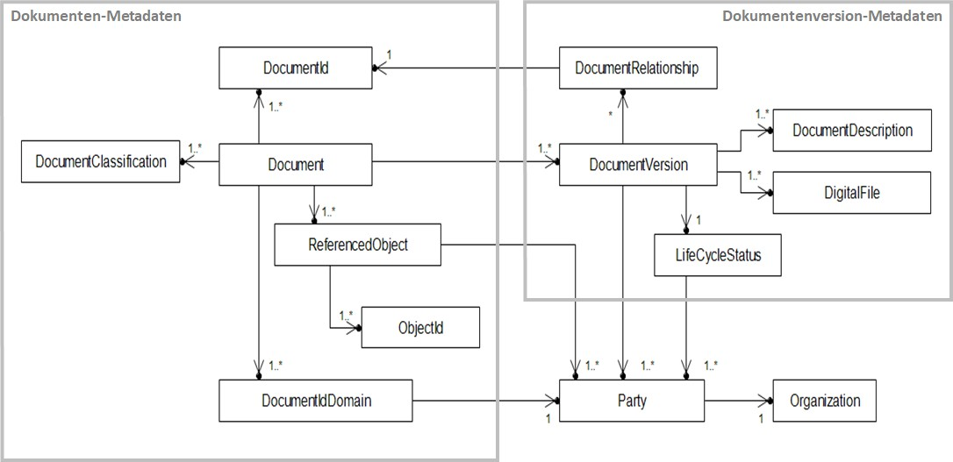
Figure 2: Submodel Handover Documentation based on basic concepts of the VDI 2770 Blatt 1

The Submodel “Handover Documentation” specifies a document in more detail via the DocumentID, the DocumentClassification, and the DocumentVersion with its respective characteristics.
2 Submodel for Handover Documentation based on VDI 2770 Blatt 1
2.1 Approach This Submodel template specification models the two main VDI 2770 Blatt1 concepts “Document” and “DocumentVersion” with their mandatory information elements. Multiple DocumentVersions can be assigned to each Document. The specifications for an instance of the overall Submodel, the Document, and the DocumentVersion are provided in clauses 2.4, 2.5, and 2.8. If a document exists in multiple languages, it shall be represented by different “Documents”. If a document features multiple languages within itself, it shall be represented by a single “DocumentVersion” with multiple associated languages. If an AAS contains more than one version of one and the same document, they can be represented by different instances of “DocumentVersion”. A SubmodelElementCollection (SMC) “DocumentVersion” shall contain at least one file element “DigitalFile”. According to VDI 2770, PDF/A files are required including ISO 19005-1, ISO 19005-2 and ISO 19005-3 meaning PDF/A-1, PDF/A-2 and PDF/A-3. The “DigitalFile” described above can also be provided in the Submodel via a link, which is technically supported by the file element of an AAS. Nevertheless, the legal requirements (e.g. Machinenrichlinie)1 for the “DigitalFile” according to ISO 19005 and the document/information provided by a link should be identical. If multiple “DigitalFiles” with different MIME- Types2 are used, each of them is assumed to represent the “DocumentVersion” in total and must contain equal content.
1 Directive 2006/42/EC of the European Parliament and of the Council of 17 May 2006 on machinery, and amending Directive 95/16/EC (recast) 2 Multipurpose Internet Mail Extensions, see: https://www.iana.org/assignments/media-types/media- types.xhtml

Figure 3: AASX Package Explorer with Submodel “Documentation” of an example asset, featuring multiple documents, each with at least one ”DocumentVersion” For further information on the approaches of VDI 2770 Blatt 1, see Annex B. 2.2 Association of documents to Assets and Entities VDI 2770 Blatt 1 uses so called ObjectIds to express the association of documents with different objects. In an Asset Administration Shell (AAS), the association with the object is already given implicitly by the basic relation of the AAS to the respective asset [3]. However, the documentation of a complex piece of equipment may include further supplier parts. These parts can be marked as separate entities within the AAS of the equipment by introducing Entity submodel elements within the Submodel for Documentation. If these Entities are categorized as ‘self-managed’, they might refer to self-standing AAS for the supplier parts via the Entity attribute global AssetId. In this case, the provider of the equipment will provide two AAS, one for the equipment, and one for the supplier part. The recommendation for simple cases3 is to mark included supplier parts as included ‘co-managed’ Entities. In any case, the creation of an Entity element is required.
3 Please note: Entity elements may contain SubmodelElements such as Properties or SubmodelElemementCollection, but no self-standing Submodels. Therefore, self-managed entities shall be used for complex cases (e.g., a Submodel for Technical Data shall be provided).

Table 2
AAS
Asset
Ref ersTo
PDF/A free
PDF/A free
PDF/A free
..
SMC
SMC
SMC
Main
Document 2
Document 3
PDF/A free
PDF/A free
..
SMC
SMC
Document 4
Document 5
AAS / Asset relationship
Entity to be part of a Submodel of AAS
AAS for equipment
AssetId
AAS
Asset
PDF/A
free
PDF/A free
PDF/A free
..
SMC
Ref ersTo
SMC
SMC
Main Document
Document 6
Document 7
Document Entity Documented Entity
Entity
AAS for further supplier part Figure 4: Association of documents to Assets and Entities ReferenceElements called “RefersTo” link the main document of an Asset, e.g., a piece of equipment, to its subordinate documents“”. These references can span multiple AAS. In this case, the AssetId shall be used as first key. For further details on ReferenceElement, see [6]. If a “Document” relates to a dependent (self-managed or co-managed) Entity and not to the Asset of the AAS itself, a ReferenceElement called “DocumentedEntity” shall be used.
2.3 Enumeration: document classification according to VDI 2770 Blatt 1:2020 VDI 2770 Blatt 1 defines a basic set of different classes for documents, which allows the operator of the industrial equipment to manage and retrieve information efficiently. This classification is understood as ClassificationSystem identified by the value “VDI 2770 Blatt 1:2020” within this Submodel template. For each class of documents (“DocumentClassification”), a “ClassId” and “ClassName” is given. While the latter can be given in multiple languages, EN is mandatory. The existing Document Classes according to VDI 2770 Blatt 1:2020 are listed in the table below.

Table 10
Annex A. Explanations of table formats used
1. General The tables used in this document try to outline information as concise as possible. They do not convey all information on Submodels and SubmodelElements. The definitive definitions are given by a separate file in form of an AASX file of the Submodel template and its elements.
2. Tables on Submodels and SubmodelElements For clarity and brevity, a set of rules is used for the tables describing Submodels and SubmodelElements. • In principle, the tables follow the same conventions as in [5]. • The table heads abbreviate ‘cardinality’ with ‘card’. • The tables often place two sets of information in different rows of the same table cell. In this case, the first information is distinguished from the second information by sharp brackets []. semanticIds are a special case; they are marked by the format (type)(local)[idType]value. • The types of SubmodelElements are abbreviated as follows:
SME type |  | SubmodelElement type
Property |  | Property
MLP |  | MultiLanguageProperty
Range |  | Range
File |  | File
Blob |  | Blob
Ref |  | ReferenceElement
Rel |  | RelationshipElement
SMC |  | SubmodelElementCollection
• If an idShort ends with ‘{00}’, this indicates a suffix of the respective length (here: 2) of decimal digits to make the idShort unique. A different idShort might be chosen, as long as it is unique in the parent’s context. • The Keys of semanticId in the main section feature only idType and value, such as [IRI]https://admin-shell.io/vdi/2770/1/0/DocumentId/Id. The attributes “type” and “local” (typically “ConceptDescription” and “(local)” or “GlobalReference” and (no-local)”) need to be set accordingly; see [6]. • If a table does not contain a column with “parent” heading, all represented attributes share the same parent. This parent is denoted in the head of the table. • Multi-language strings are represented by the text value, followed by ‘@’-character and the ISO 639 language code: example@EN. • The [valueType] is only given for Properties.
Annex B. VDI 2770 Blatt 1 Metamodel
3. General This chapter provides further information on approach and realization of Submodel information according to VDI 2770 Blatt 1.
4. Background VDI 2770 Blatt 1 was developed to simplify documentation handover in the process industry according to the specific requirements and general conditions of this industry. The assets addressed are complex, often expensive, and have a long lifespan. The documentation of these assets may be complex and may include legal and technical requirements. The VDI 2770 working group focused on two main aspects: the structure of the handover documentation, and specifications for digital files and their meta data. The most import normative specifications are: • Documents shall be classified at least according to the classification system provided by VDI 2770. • To ensure long-term access, the file format PDF/A is a key demand. • Meta data shall conform to a VDI 2770 information model. • XML and ZIP are used for data exchange. Meta data and documents are disclosed as so-called containers. The overall documentation of an asset may be the sum of multiple handover tasks. VDI 2770 only represents documentations for an object at a single point in time. The defined containers are not indented to be updated. Instead, the container formats provide complete meta data for documents that can be processed in business information systems. Each consumer may process this data in a different manner. The information model of VDI 2770 Blatt 1 is based on IEC 82045-2. It distinguishes between documents and document versions. Hence, associations between objects and documents are quite stable, regardless of the current document version. A documentation is summarized by a main document according to IEC 62023. VDI 2770 does not address technical properties or details of the object. Identification numbers and identifiers are used to refer to objects. A container format is specified for data exchange. This format is, however, not relevant for the Submodel template defined. VDI 2770 contains normative definitions regarding object identification. The g

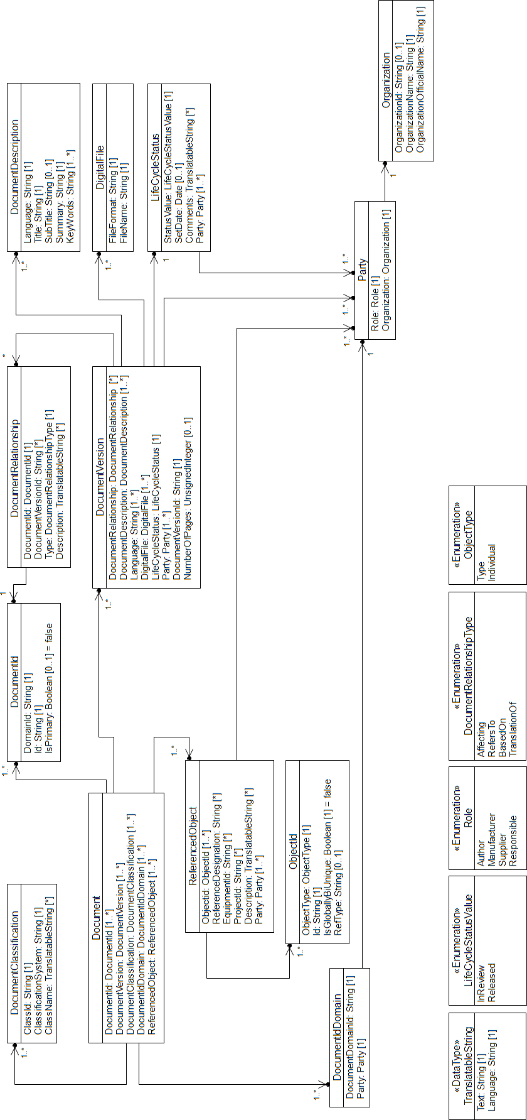
5. Information model of VDI 2770 Blatt 1 The information model of VDI 2770 Blatt 1 consists of 13 entities. The following diagram of the metamodel is published with permission of the editor.
Figure 5: UML information model of documentation meta data according to VDI 2770 [7]

6. Mappings The structure of a SMC Document is almost identical to the VDI 2770 guideline, but • uses a simplified document ID, • uses Entity and ReferenceElement for asset associations, • uses MultiLanguageProperty type instead of VDI 2770 TranslateableString type, • asset / object identification properties may be provided by other AAS submodels. The following mapping figure depicts the differences between the AAS and VDI 2770 Document entity. Dropped properties are shown in grey.
Figure 6: Mapping between AAS and VDI 2770 Document entity, 1: document ID with simplified document domain, 2: using Entity and ReferenceElement for asset / object associations. Document IDs are not globally unique by default. A document ID may be unique within a document domain. This domain is described by a domain ID as well as a responsible party. In the Submodel template, the document ID is a simplified tuple of document domain ID and document ID. The following mapping diagram depicts the differences between the AAS DocumentID and the VDI 2770 entities. Dropped properties are shown in grey.
Figure 7: Mapping between AAS and VDI 2770 Blatt 1 DocumentId Compared to VDI 2770, the DocumentVersion of this Submodel template has some structural differences: • document relationship types are modelled as references, • describing information for documents (like title or keywords) are properties of the DocumentVersion, • lifecycle status information has been simplified including information on the author. Furthermore, file management approaches differ between VDI 2770 and the AAS metamodel. The following mapping diagram depicts the differences. Dropped properties are shown in grey.
1
2
 | 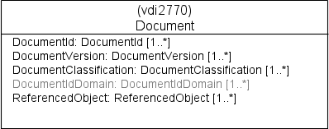

1
2
3
4
5
Figure 8: Mapping between AAS und VDI 2270 DocumentVersion, 1: three relation properties instead of generic relation model element, 2: describing information contained in document version, 3: different file handling approach, 4: simplified document status (only status and date), 5: simplified roles (only author) VDI 2770 defines an entity called DocumentDescription to aggregate describing document meta data for a document version in one language. This kind of information grouping is modelled in this Submodel using constraints. The following mapping diagram depicts the differences. Dropped properties are shown in grey.
Figure 9: Mapping between AAS and VDI 2770 document descriptions This Submodel template uses simplified document lifecycle meta data. The parties involved in the document lifecycle are simplified. The following mapping diagram depicts the differences. Dropped properties are shown in grey.
 | 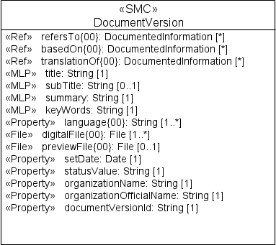 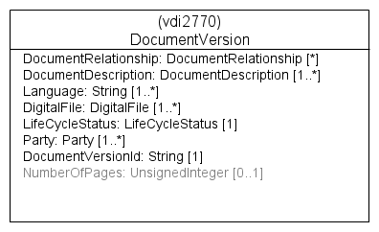

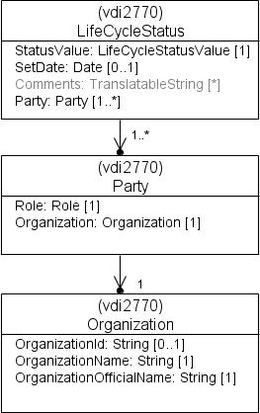
 | 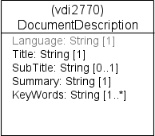
Figure 10: Mapping between AAS and VDI 2770 document lifecycle To document object identification meta data, the additional application of the AAS Submodel “ZVEI Digital Nameplate for industrial equipment” [8] is recommended. In VDI 2770, an object may have a list of identification numbers, like a reference designation code, a serial-ID, a product ID. Different types of IDs are supported, e.g. a numeric value or a URL according to IEC 61406 (Identification Link). The most important IDs can be documented using the ZVEI Digital Nameplate submodel (see the following figure).
Figure 11: Mapping between AAS and VDI 2770 object identifiers

 | 